REFERENCE
REMOTE CABLE SHUT-OFF ASSY |  |  |  |  | SUPPLIER PART NUMBER | REFERENCE
XA24 | - | 000 | - | ALTXXXX | GLS101-001-0XXX | XC-40-701-9999
XA24 | - | 090 | - | ALTXXXX | GLS101-006-0XXX | XC-40-705-9999
XA24 | - | 315 | - | ALTXXXX | GLS101-011-0XXX | XC-40-706-9999
XA24 | - | 600 | - | ALTXXXX | GLS101-016-0XXX | XA24-600-9999
XA24 | - | 601 | - | ALTXXXX | GLS101-016-0XXX | XA24-600-9999
XA24 | - | 700 | - | ALTXXXX | GLS101-017-0XXX | XA24-700-9999
REFERENCE ONLY PLEASE DELETE THIS SHEET BEFORE INITIATING
PLEASE ALSO DELETE FORMULAS IN "LRU" SHEET BEFORE INITIATING

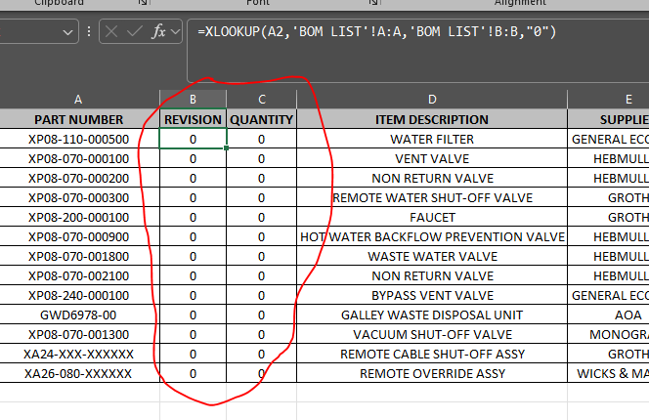

CONVERT TO TEXT

